Sheet1
 | pipeNominalOD | 0.24765 | m
 | pipeNominalWT | 0.034925 | m
 | pipeMinimumWT | 0.034925 | m
 | pipeNominalID | 0.1778
 | pipeExternalPressure | 0
 | pipeInternalPressure | 1.03E+08
 | pipeTensionEffective | 6674724 | N
 | pipeMoment | 1277.044974
 | pipeYieldStrength | 5.52E+08 | Pa

 | pipeMinimumID | 0.1778 | m

 | pipeA | 0.023340213256 | m^2
 | pipeAi | 0.024828666476 | m^2
 | pipeAo | 0.048168879732 | m^2

 | pipeI | 0.00013558236884 | m^4
 | pipeTensionEffective + (pipeInternalPressure*pipeAi) - (pipeExternalPressure*pipeAo)
 | pipeTensionTrue | 9232076.647

 |  | -43044776.119

 |  | 262181818.18

 | T/A | 395543800.13
 | M/2I | 4709480.2403

 |  | 396545624.31 |  | Considering Addition

 |  | 394541975.94 |  | Considering Subtraction

 |  | 0.70710678119

 |  | 3.0445662642E+17

 |  | 390164469.43 | Pa |  | L.H.S of Equation(5)

 |  | 56.588572097 | Ksi |  | L.H.S of Equation(5)

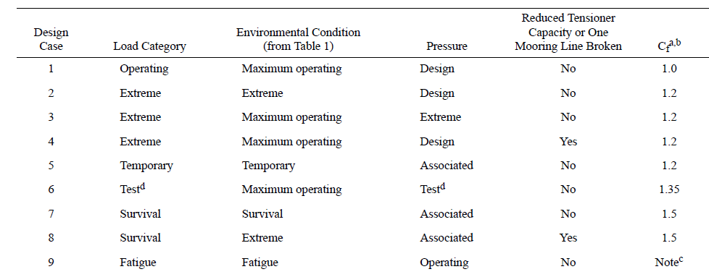
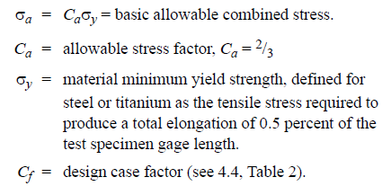

Cf |  | 1.5 | Considering Survival load category

 |  | 3.68E+08

 |  | 5.52E+08 |  | R.H.S of Equation(5)

